Error Analysis
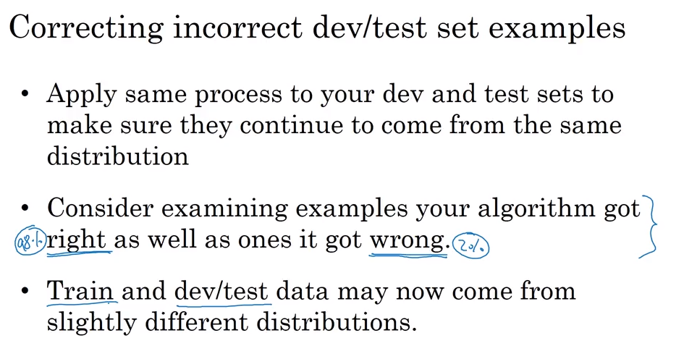
Evaluate cause of cat detection error
Go through 100 incorrect example manually and summarize the percentage or error cause, then you will know the ceiling of the performace improvement if you correct one cause
Image | Dog | Great cats | Blurry | Incorrectly Labeled | Comments
1 | X |  |  |  | Pitball
2 |  | X | X
3 |  |  | X | X | Raining day at Zoo
… | … | … | …
% of total | 8% | 43% | 61% | 6%

Different distribution
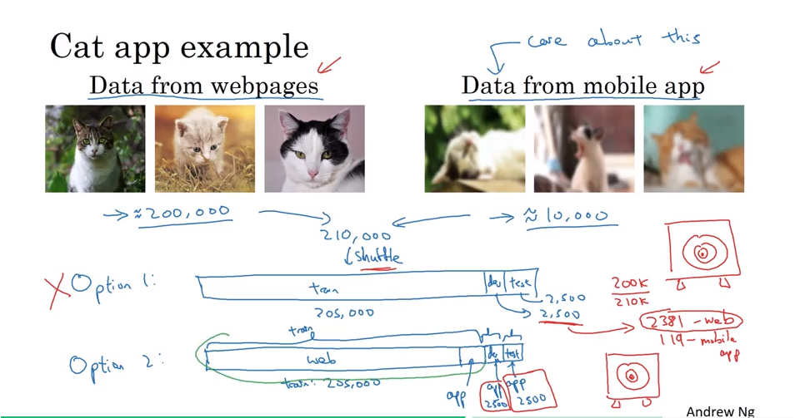

Transfer learning
